Anugrah (Bag, Cup, Box)
DATE | INV NO. | DESCRIPTIONS | AMOUNT | BILLS | PRICE | SUBTOTAL | TOTAL
3-Dec-2025 | 2518 | HAND TOWEL TISSUE | 4 | 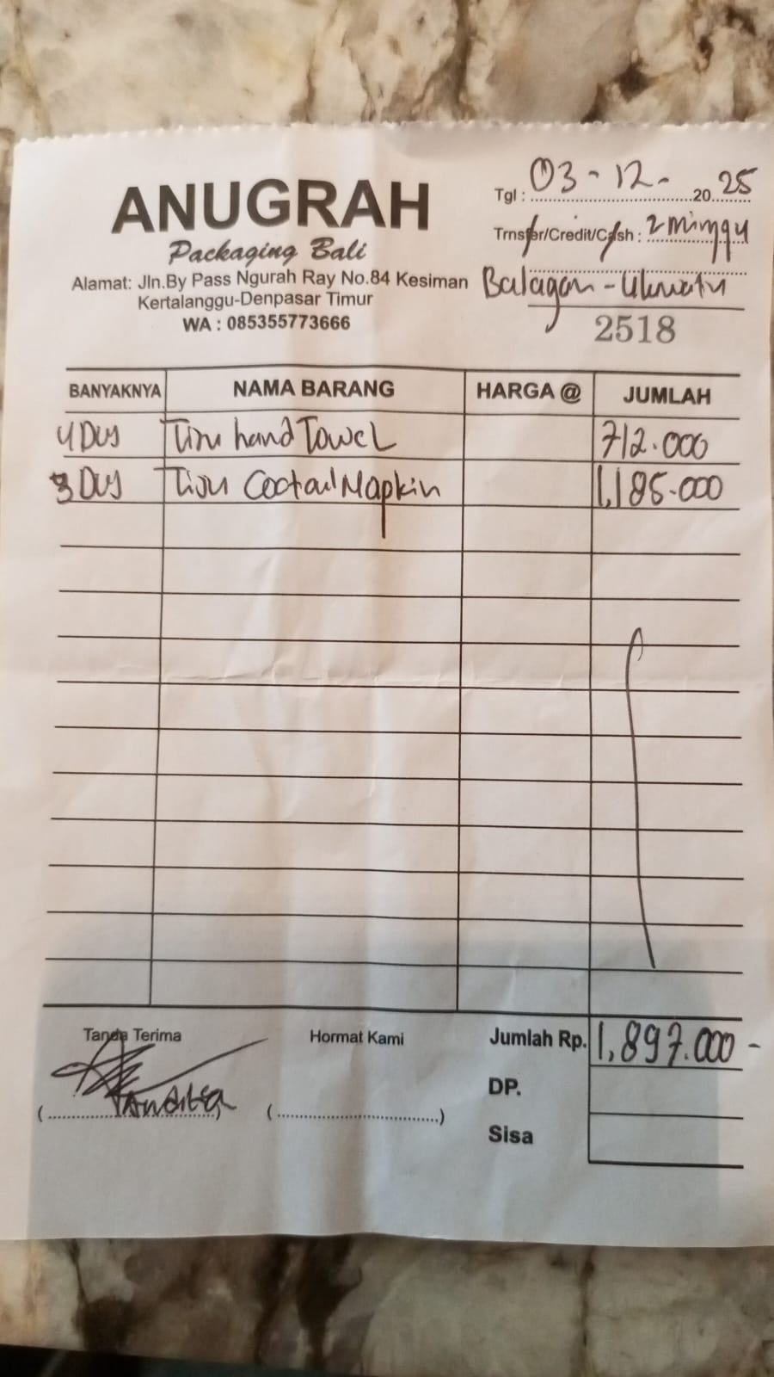 | IDR 178,000 | IDR 712,000 | IDR 1,897,000
 |  | COCKTAIL NAPKIN | 3 |  | IDR 395,000 | IDR 1,185,000
 |  |  |  |  |  | IDR - | IDR -
 |  |  |  |  |  | IDR -
 |  |  |  |  |  | IDR -
 |  |  |  |  |  | IDR -
 |  |  |  |  |  | IDR - | IDR -
GRAND TOTAL |  |  |  |  |  |  | Rp1,897,000

UD Abdi Jaya (Bag, Cup, Box)
DATE | INV NO. | DESCRIPTIONS | AMOUNT | BILLS | PRICE | SUBTOTAL | TOTAL
14-Nov-2025 | 221 | HAND GLOVES (M) | 3 | 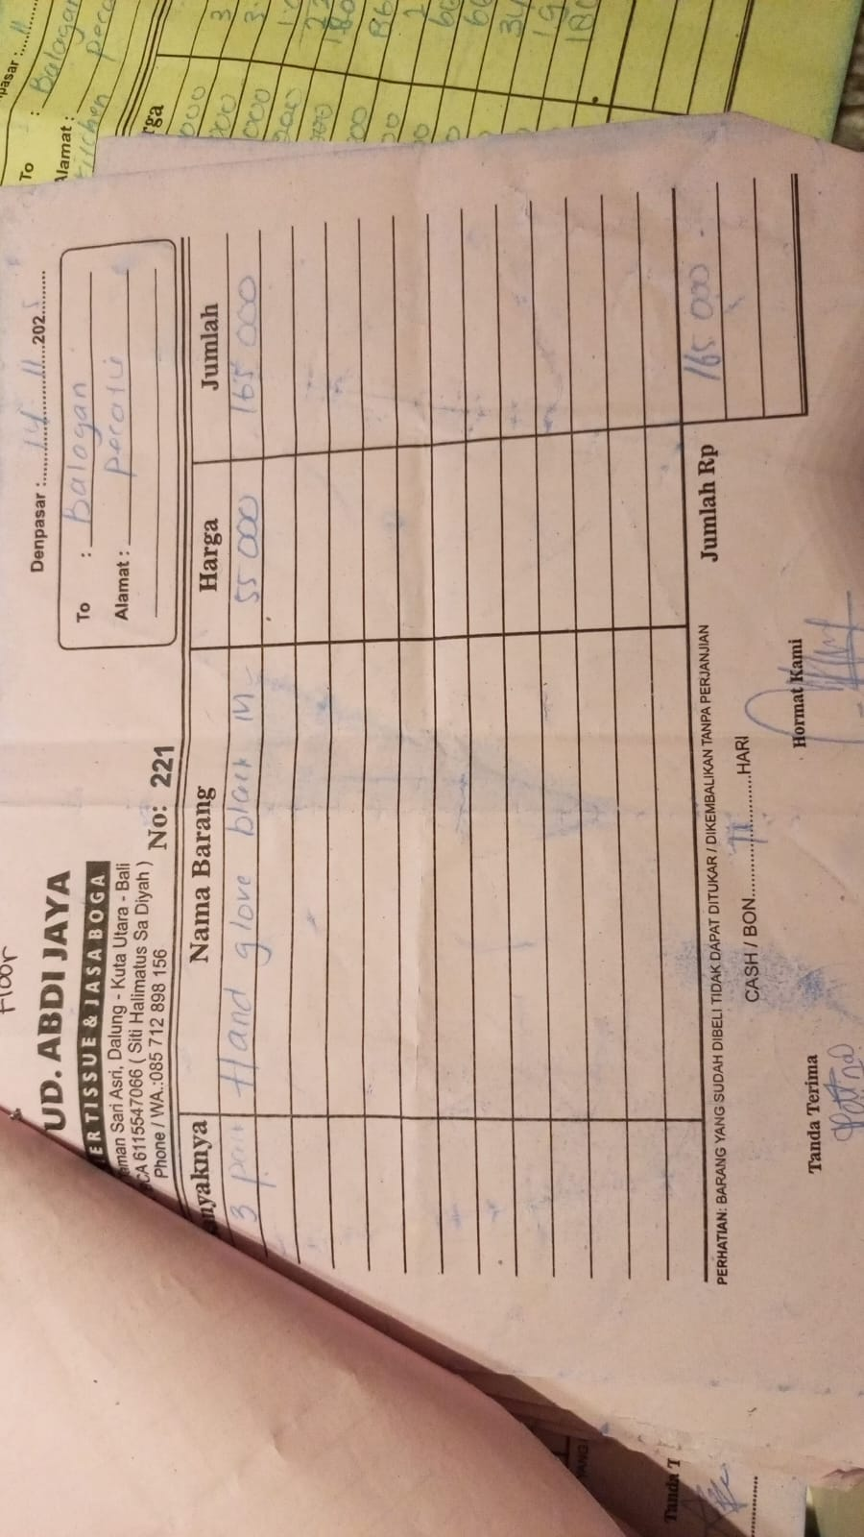 | IDR 55,000 | IDR 165,000 | IDR 165,000
11-Dec-2025 | 0414 | TISSUE COCKTAIL NAPKIN | 1 | 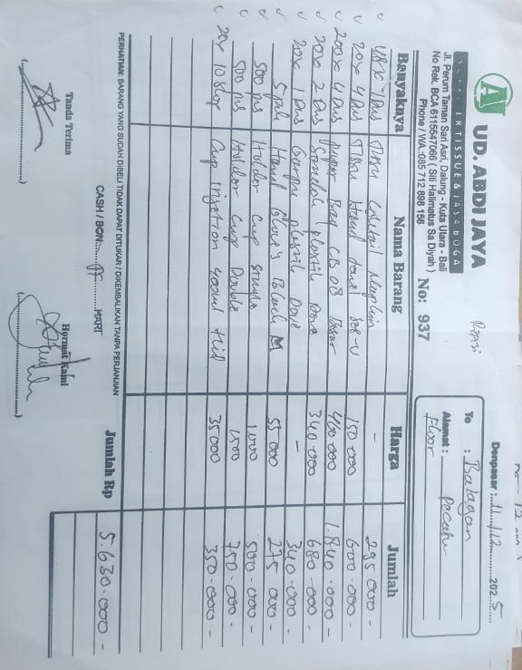 | IDR 295,000 | IDR 295,000 | IDR 5,630,000
 |  | TISSUE SEE U | 4 |  | IDR 150,000 | IDR 600,000
 |  | PAPER BAG CB 8 | 4 |  | IDR 460,000 | IDR 1,840,000
 |  | PLASTIC SPOON | 2 |  | IDR 340,000 | IDR 680,000
 |  | PLASTIC FORK | 1 |  | IDR 340,000 | IDR 340,000
 |  | HAND GLOVE M BLACK | 5 |  | IDR 55,000 | IDR 275,000
 |  | CUP HOLDER SINGLE | 500 |  | IDR 1,000 | IDR 500,000
 |  | CUP HOLDER DOUBLE | 500 |  | IDR 1,500 | IDR 750,000
 |  | CUP INJECTION 400 ML | 10 |  | IDR 35,000 | IDR 350,000
2025-12-12 | 938 | PAPER BAG CB 7 | 4 | 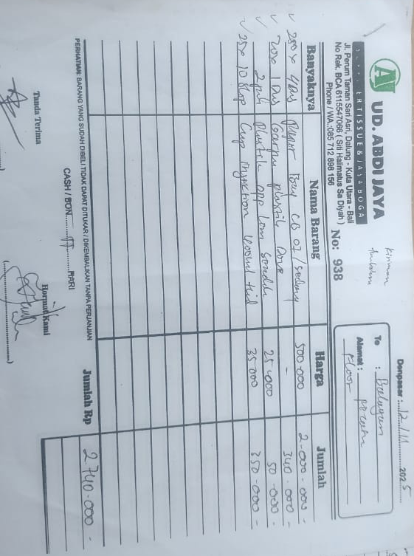 | IDR 500,000 | IDR 2,000,000 | Rp2,740,000
 |  | PLASTIC FORK | 1 |  | IDR 340,000 | IDR 340,000
 |  | PLASTIC SPOON | 2 |  | IDR 25,000 | IDR 50,000
 |  | CUP INJECTION 400 ML | 10 |  | IDR 35,000 | IDR 350,000
2025-12-17 | 0608 | TOOTHPICK COVER PLAIN | 20 | 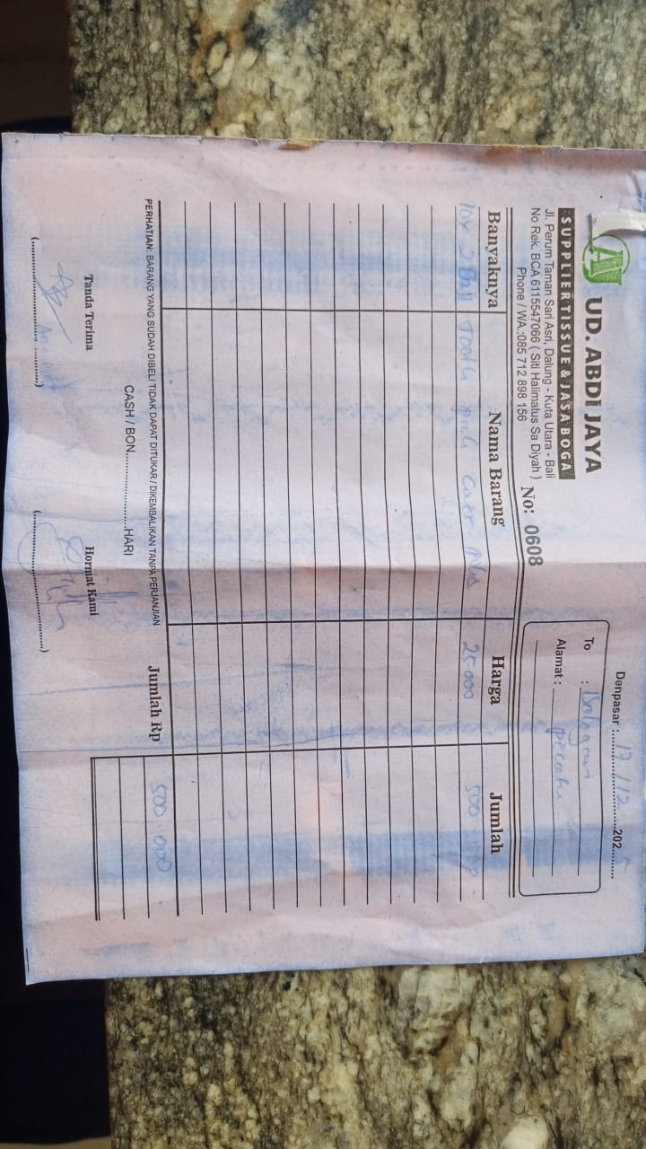 | 25000 | IDR 500,000 | Rp500,000
2025-12-22 | 0329 | WHITE PLASTIC BAG 40X30 | 10 | 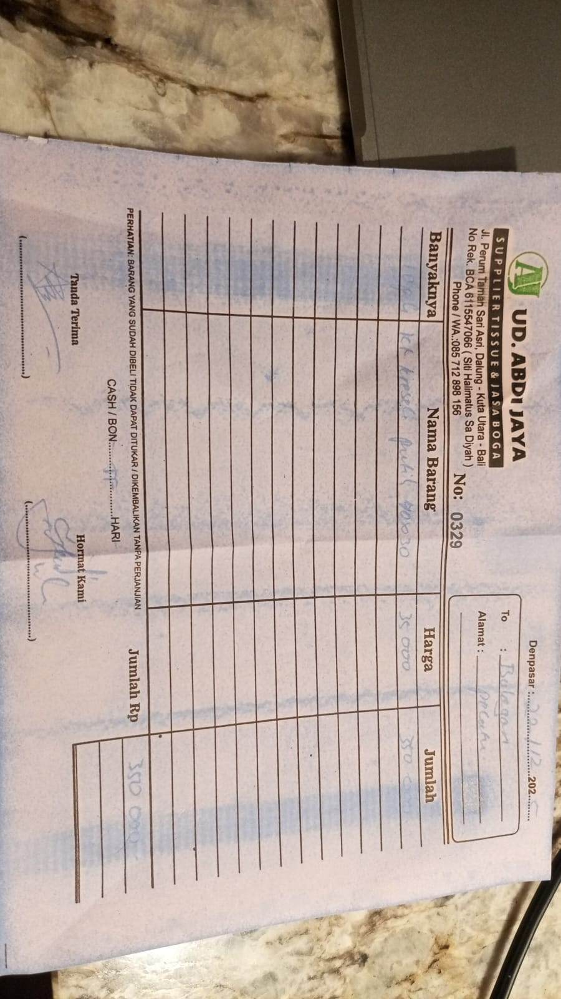 | 35000 | IDR 350,000 | Rp350,000
 |  |  |  |  |  |  | Rp9,385,000

Dishy Soap
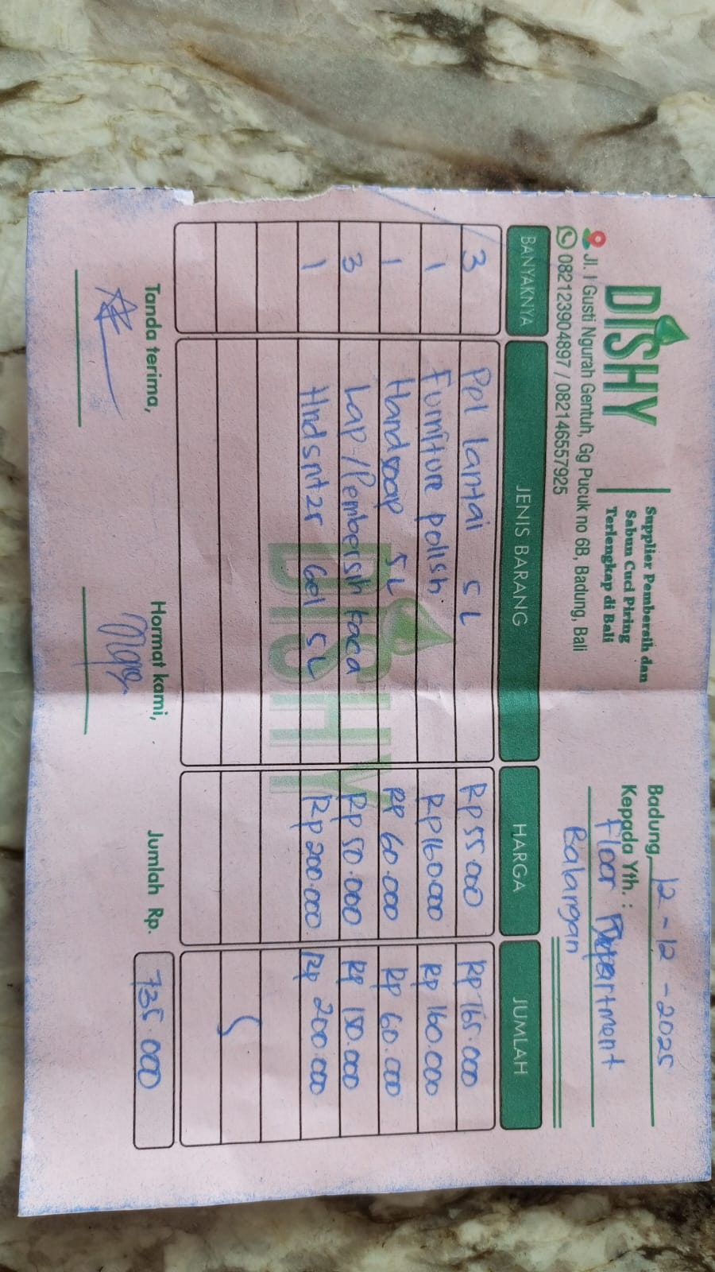
DATE | DESCRIPTION | QTY | BILLS | PRICE | SUBTOTAL | TOTAL
1-Dec-2025 | DISHY VANILA 5L | 1 | 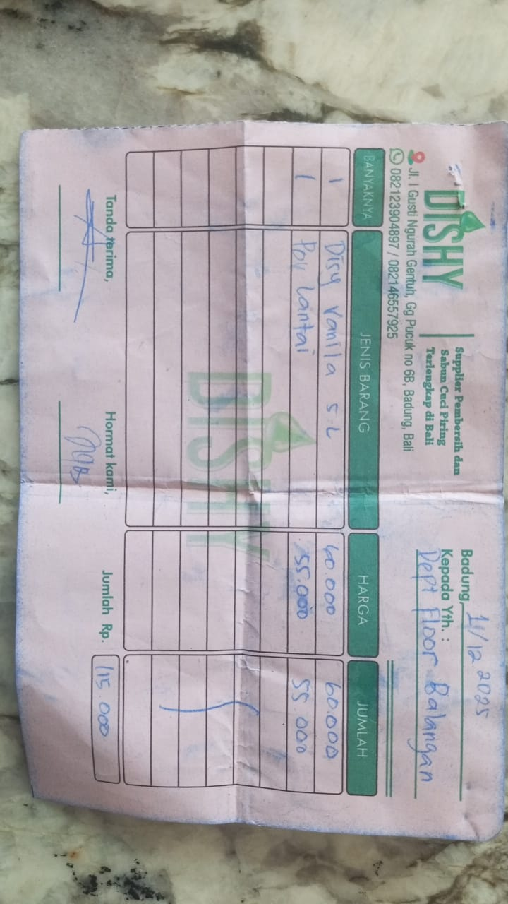 | Rp60,000 | Rp60,000 | Rp115,000
 | FLOOR CLEANER | 1 |  | Rp55,000 | Rp55,000
12-Dec-2025 | FLOOR CLEANER 5L | 3 |  | Rp55,000 | Rp165,000 | Rp735,000
 | FURNITURE POLISH | 1 |  | Rp160,000 | Rp160,000
 | HANDSOAP 5L | 1 |  | Rp60,000 | Rp60,000
 | GLASS CLEANER | 3 |  | Rp50,000 | Rp150,000
 | HANDSANITIZER GEL 5L | 1 |  | Rp200,000 | Rp200,000
22-Dec-2025 | CERAMIC CLEANER | 3 | 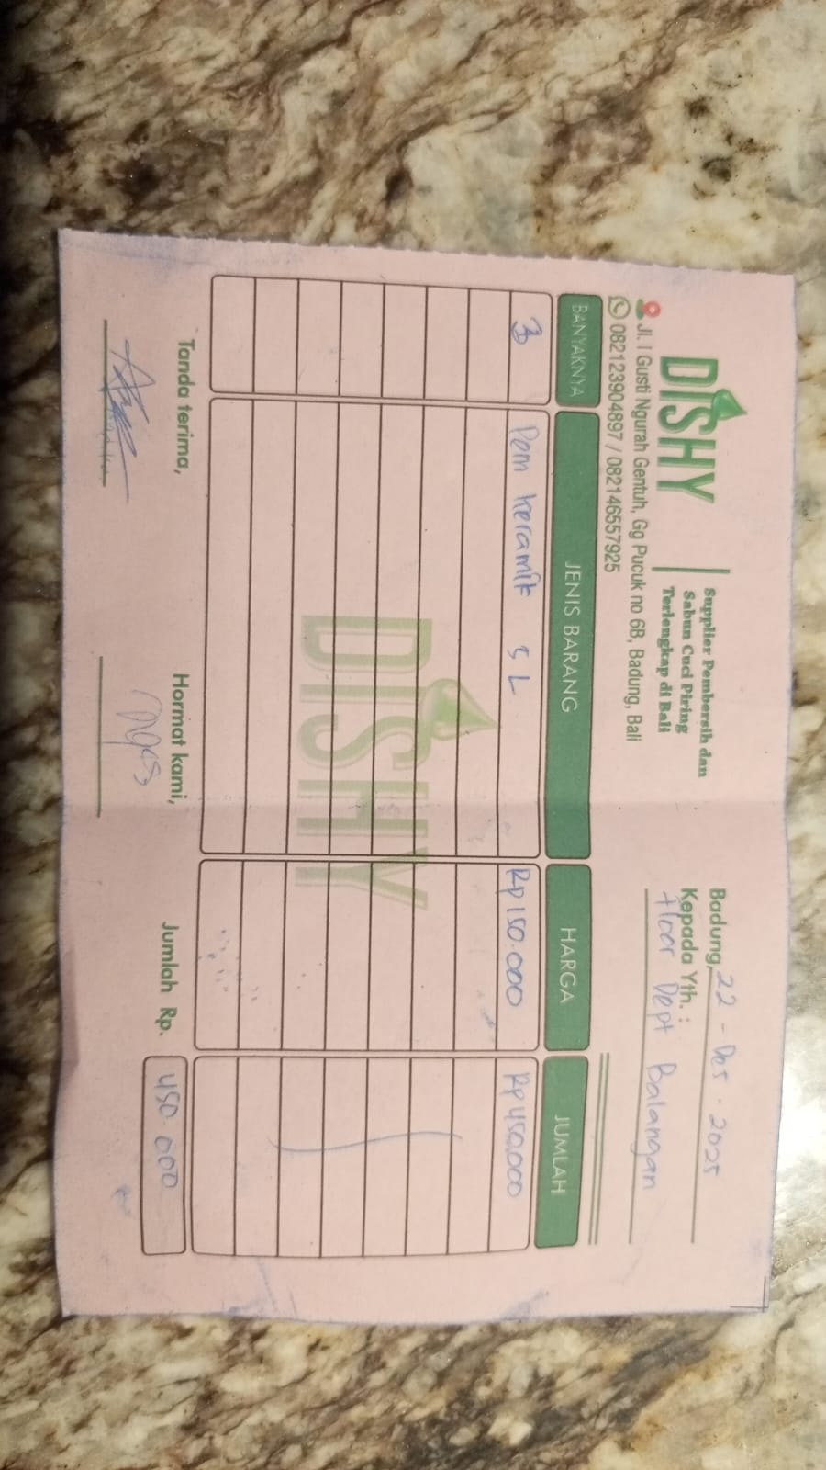 | Rp150,000 | Rp450,000 | Rp450,000
GRAND TOTAL |  |  |  |  |  | Rp850,000

